Sheet1
#1

a)
top left number: | 12
Bottom Left Number: | 6

Z= | 6
N= | 6
A= | 12

b)
top left number: | 4
Bottom Left Number: | 2

Z= | 2
N= | 2
A= | 4

c)
top left number: | 34
Bottom Left Number: | 16

Z= | 16
N= | 18
A= | 34

d)
top left number: | 11
Bottom Left Number: | 5

Z= | 5
N= | 6
A= | 11

#2

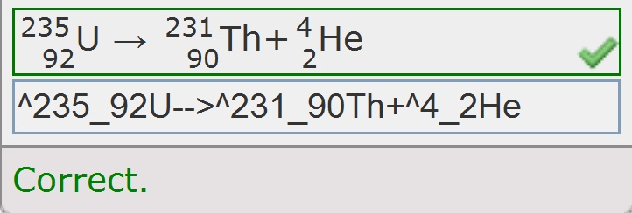

 |  | this is what is shouldlook like

 |  | this is what you type

